Sheet1
 |  | Document No. | Issue No. |  | Issue Date |  | Review and Replace Date |  | Authorised By
 |  | GFF022MC | 1 |  | 01.10.2018 |  | New Issue |  | Magda Shah
 |  | Document Title | 10 Stuffed Jalapeno Peppers 215g
Document amendments reason for change |  | New product launch |  | Page 1 of 1 |  | Previous Issue Date |  | New Issue | Uncontrolled copy unless signed original

CJALPB1-R1TEB | BOOTHS - XMAS |  | 10 STUFFED JALAPENO PEPPERS 215g
STEP 1 |  |  |  |  |  | STEP 2
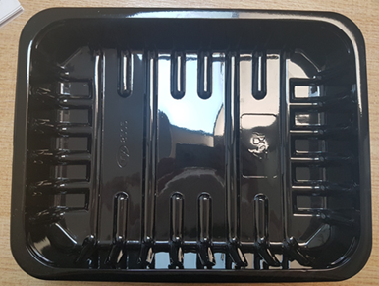 |  |  |  |  |  | 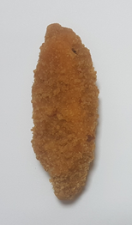

Tray: SK4 PLAIN (PKREY001-02) |  |  |  |  |  | 10 X STUFFED JALAPENO PEPPERS (RMSAL001-02)(Salud) 21.5g
Film: ME410A Antifog WELD seal (PKPRO001-12) (PROMENS)
STEP 3
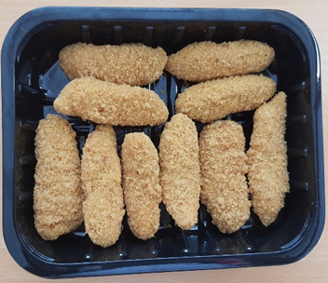

TOTAL WEIGHT: 215g (10 units)

ALLERGY ALERT: Milk, Wheat

